Sheet1
 | Document No. |  | Issue No. | Issue Date |  | Review and Replace Date |  |  |  | Authorised By
 | GFF192MC |  | 3 | 11.09.2020 |  | 22.12.2021 |  |  |  | Magda Shah
 | Document Title |  | Pilau Rice With Crispy Onions 300g
Document amendments reason for change | Film Updated |  |  |  | Page 1 of 1 |  | Previous Issue Date |  | 11.06.2021 | Uncontrolled copy unless signed original

CPLR-R4TEB |  | BOOTHS | Pilau Rice With Crispy Onions 300g
STEP 1 |  |  | STEP 2 |  |  |  |  | STEP 3
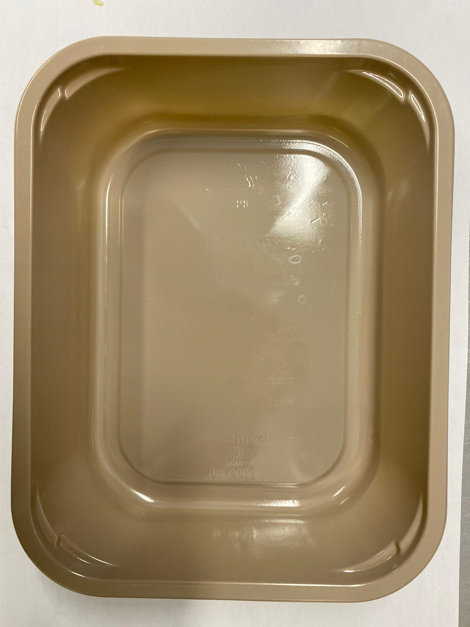 |  |  | 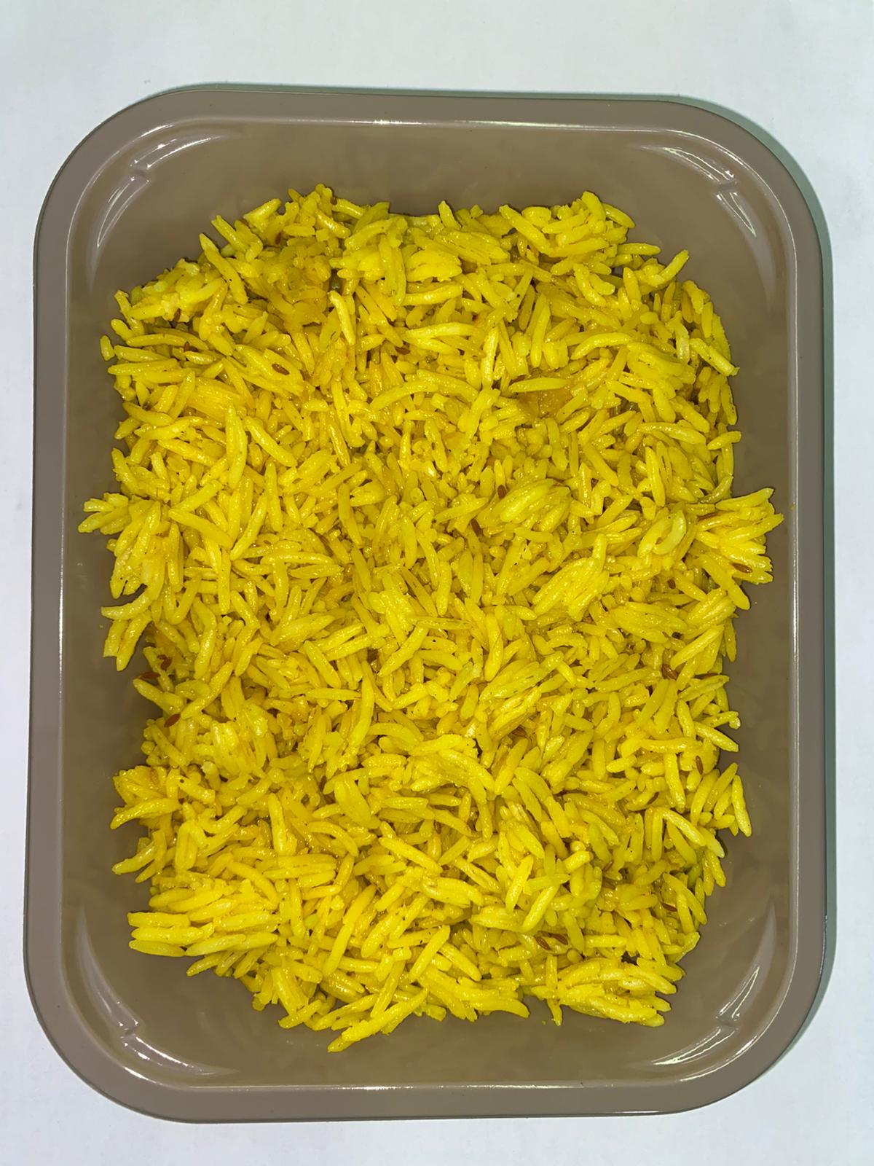 |  |  |  |  | 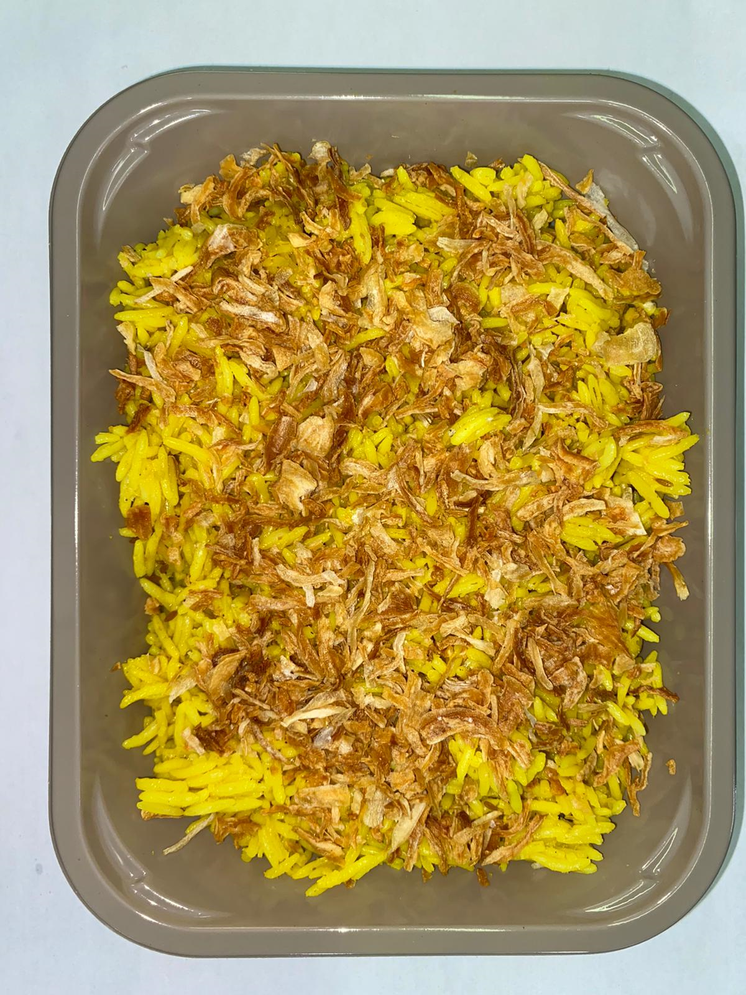

Tray: EVOLVE CPET 2200-1D (PKRHP001-09) |  |  | Pilau Rice (GFF143R): 285g |  |  |  |  | Crispy Fried Onions (RMVIR001-59): 15g

Film: K peel 7G+25A/f- 275mm (275 mmX1000)(PKKMP001-03)

TOTAL WEIGHT: 300g
ALLERGY ALERT: None

